Sheet1
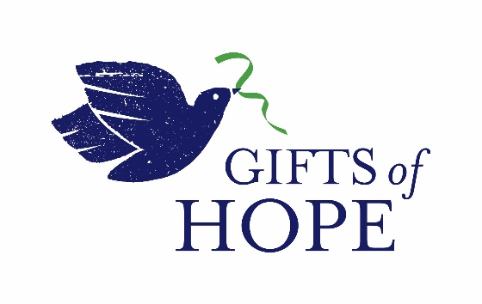

 | Order Form for Donations by Check

CONTACT INFORMATION
Name
Full Address (street, city, state, postal code, country)

Email Address
Are you a member of an ELCA Metro D.C. Synod congregation? If so, please list your church name and city.

Are you a church giving one check that is actually a compilation of multiple gifts from individuals/families? If so, can you give us a rough estimate (it's okay not to have an exact number) of how many donors are included in this one gift?

INSTRUCTIONS FOR CHECKS
All donations are tax deductible.
Make checks payable to Metropolitan Washington, D.C. Synod, ELCA (add "Gifts of Hope" to the memo line).
Mail checks to: Gifts of Hope, c/o Natalie Cain, 7901 Bethelen Woods Lane, Springfield, VA 22153
YOUR ORDER
Beneficiary Organizations |  | Amount of Donation
I will support all organizations with one donation split evenly among them.
Community Family Life Services
The Community of St. Dysmas
Fellowship Square
Good Shepherd Housing Foundation
Gracing Spaces
Housing Up
La Sagrada Familia
Lutheran Campus Ministry
Lutheran Social Services of the National Capital Area
Lutheran Volunteer Corps
N Street Village
Outdoor Ministries (Caroline Furnace and Mar-Lu-Ridge)
Roanoke College
Samaritan Ministry of Greater Washington
Shelter House
United Lutheran Seminary
The Village at Rockville - A National Lutheran Community
Companion Synod: Lutheran Churches in Namibia
Companion Synod: The Salvadoran Lutheran Church
Administrative Costs |  | Amount of Donation
I wish to support the mission of Gifts of Hope with a contribution to the operating fund.

Total Donation Amount: |  | $0.00

